question7
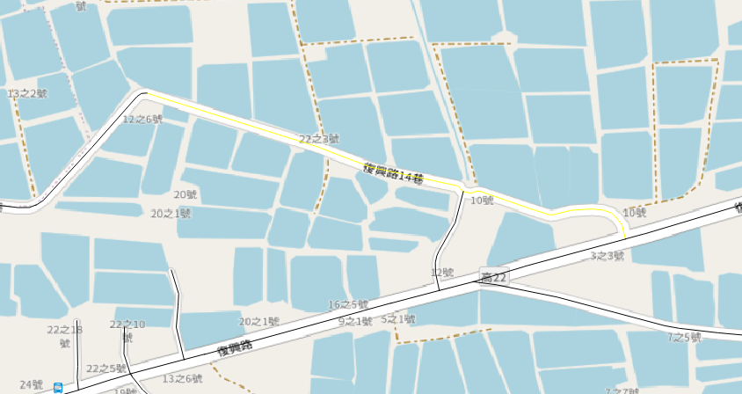
location: {
"openlr": "C1V/aBA3aDPKAQBT/9MzGg==",
"lengthInMeters": 99,
"segmentIds": [
{
"type": "OSM_WAY_ID",
"segmentId": [
{
"id": "280673170",
"backwards": false,
"endOffsetInMeters": 877
}
]
}
]
}

 |  | fid | osm_id | length_meter
 |  | 456822041 | 280673170 | 25.029070442
 |  | 590965615 | 280673170 | 147.46110436
 |  | 651329834 | 280673170 | 144.47187311
 |  | 669213986 | 280673170 | 14.507835957
 |  | 3264768360 | 280673170 | 190.90626533
 | 522.37 - 877 = -324.63 |  | total_length | 522.37614921

metaInformation: {
"createTimeUTCSeconds": 1728916470,
"supplierAndClientInfo": {
"clientID": "7f9f8cca-07c2-4066-9aba-8a78f62eb6bae1fd373",
"supplierID": "TomTom Traffic Service"
},
"formatVersion": 9,
"mapVersion": [
"sea2024.01.100"
]
}

question8
 | v24420 지도 기준 링크 길이
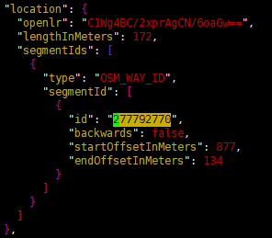

 | junction이 회전 교차로가 아니지만 Offset계산 결과 음수가 나오는 것을 확인
 | 941-877-134 = -70

해당 데이터는 20241204-1554 데이터 이며 json 데이터 첨부 합니다.

question9
올바른 형태 | 이슈 형태
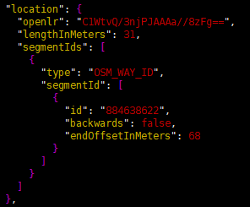

 | segmentIds가 없음

해당 데이터는 20241204-1554 데이터 이며 json 데이터 첨부 합니다.

